0.75_mod_25_teeth
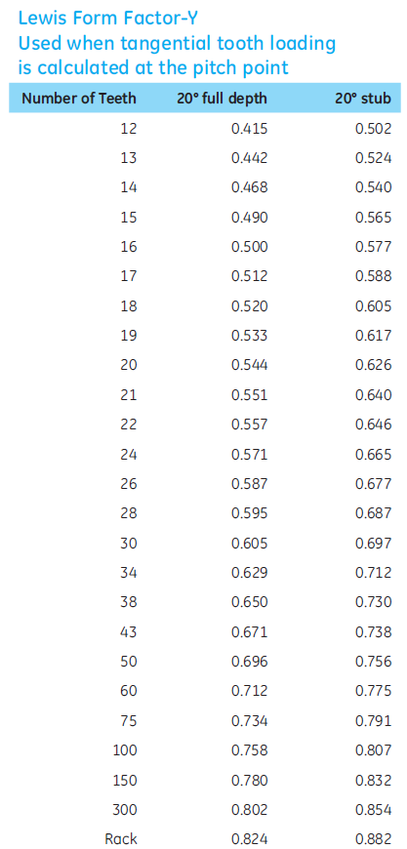
Variable | Value | Units | Description |  | Note: Cells highlighted in yellow are independent parameters/variables
Ng | 100 |  | Number of teeth - gear
Np | 25 |  | Number of teeth - pinion
F | 4.7239864533 | lbf | Tangential tooth loading at pitch line
Pd | 33.866648379 | /in | Diametral pitch
Y | 0.579 |  | Lewis form factor for plastic gears, loaded at the pitch point
Wt | 4.7239864533 | lbf | Transmitted load
Dp | 0.738189375 | in | Pitch diameter, pinion
mu | 0.32 |  | Poisson's ratio
E | 333586.66582 | psi | Modulus of Elasticity
phi | 0.3490658504 | Radians | Pressure angle
m | 4 |  | Speed Ratio, Ng/Np
fw | 0.29527575 | in

Metric Variable
E_m | 2300000000 | Pa | Modulus of Elasticity, metric
Pd_m | 1.3333333333 | /mm | Diametral pitch, metric
Dp_m | 18.75 | mm | Pitch diameter, pinion, metric
Wt_m | 21.013333333 | N | Transmitted load, metric
module | 0.75 | mm | Module
fw_m | 7.5 | mm | Face width (recommended 3-5x circular pitch)
circ_pitch | 2.3561944902 | mm | Circular pitch
F_m | 21.013333333 | N | Tangential tooth loading at pitch line, metric
T | 0.197 | Nm | Transmitted torque

Bending Stress, Sb | 935.78163383 | psi
Contact Stress, SH | 3157.7720406 | psi

Sb, metric | 6451989.7777 | Pa | 6.4519897777 | Mpa
SH, metric | 21772080.355 | Pa | 21.772080355 | Mpa

Intermediate calculations for contact stress:
a1 | 21.67270264
a2 | 59148.804383
a3 | 7.7786191343

